Plan1
Cores a Misturar |  |  | Modelos |  |  |  | CIE-LAB into CIE-LCh: http://colormine.org/convert/lab-to-lch |  |  |  |  |  |  | LCh:
 |  |  |  |  |  |  | Valores de todas as cores: http://colorizer.org |  |  |  |  |  |  | L = L
Red | Cyan |  | HSV |  |  |  | Codigo HTML: http://html-color-codes.info |  |  |  |  |  |  | C = sqrt(a^2 + b^2)
Green | Magenta |  | CIE-LCh |  |  |  |  |  |  |  |  |  |  | H = tan-1(b/a)
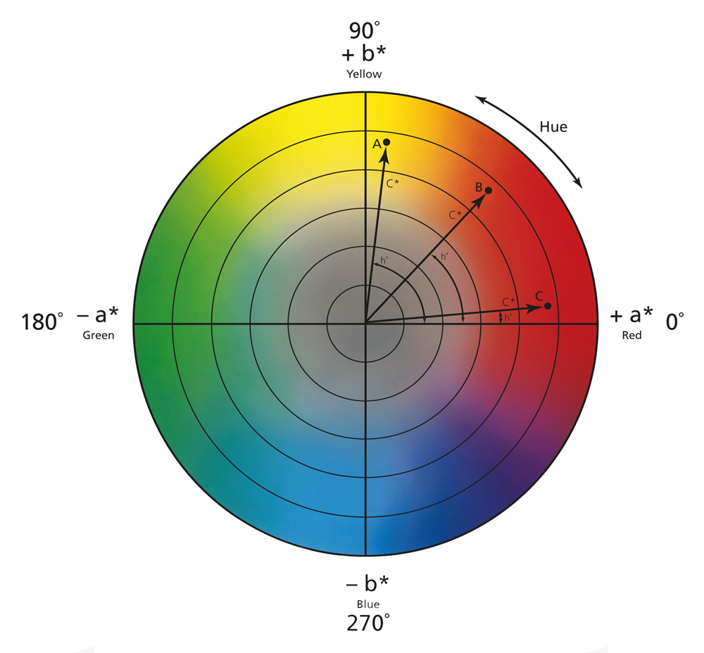
Blue | Yellow |  | CMYK

 |  | H | S | V | L* | C* | h* | C | M | Y | K | R | G | B | L* | a* | b* | HTML
Red |  | 0 | 100 | 100 | 53.23 | 104.57 | 40.00 | 0 | 100 | 100 | 0 | 255 | 0 | 0 | 53.23 | 80.11 | 67.22 | #FF0000
Green |  | 120 | 100 | 100 | 87.74 | 119.77 | 136.01 | 100 | 0 | 100 | 0 | 0 | 255 | 0 | 87.74 | -86.18 | 83.18 | #000100
Blue |  | 240 | 100 | 100 | 32.30 | 133.81 | 306.29 | 100 | 100 | 0 | 0 | 0 | 0 | 255 | 32.30 | 79.2 | -107.86 | #FFFFFF
Cyan |  | 180 | 100 | 100 | 91.12 | 50.11 | 196.39 | 100 | 0 | 0 | 0 | 0 | 255 | 255 | 91.12 | -48.08 | -14.14 | #00FFFF
Magenta |  | 300 | 100 | 100 | 60.32 | 115.56 | 328.23 | 0 | 100 | 0 | 0 | 255 | 0 | 255 | 60.32 | 98.25 | -60.84 | #FF00FF
Yellow |  | 60 | 100 | 100 | 97.14 | 96.90 | 102.85 | 0 | 0 | 100 | 0 | 255 | 255 | 0 | 97.14 | -21.56 | 94.48 | #FFFF00

 |  | HSV |  |  | CIE-LCh |  |  | CMYK |  |  |  | RGB |  |  | CIE-L*a*b* |  |  | HTML
Two Color Blends |  | H (Hue) | S (Saturation) | V (Value) | L (Lightness) | C (Saturation) | h (Hue) | C (Cyan) | M (Magenta) | Y (Yellow) | K (Key) | R | G | B | L* | a* | b* | HSV | CIE-L*C*h* | CMYK | RGB | CIE-L*a*b*
R-G |  | 60 | 100 | 100 | 17.26 | 7.60 | 88.01 | 50 | 50 | 100 | 0 | 127.5 | 127.5 | 0 | 17.26 | 0.26 | 7.6 | #FFFF00 |  | #85753A | #808000 | #2F2A20 | 15 Misturas
R-B |  | 300 | 100 | 100 | 10.47 | 14.62 | 353.15 | 50 | 100 | 50 | 0 | 127.5 | 0 | 127.5 | 10.47 | 14.51 | -1.74 | #FF00FF |  | #812D54 | #800080
G-B |  | 180 | 100 | 100 | 27.72 | 7.02 |  | 100 | 50 | 50 | 0 | 0 | 127.5 | 127.5 | 27.72 |  |  | #00FFFF |  | #00656F | #008080
R-C |  | 90 | 100 | 100 | 18.95 | 27.23 |  | 50 | 50 | 50 | 0 | 127.5 | 127.5 | 127.5 | 18.95 |  |  | #80FF00 |  | #857871 | #808080
R-M |  | 330 | 100 | 100 | 3.55 | 5.50 |  | 0 | 100 | 50 | 0 | 255 | 0 | 127.5 | 3.55 |  |  | #FF0080 |  | #D92053 | #FF0080
R-Y |  | 30 | 100 | 100 | 21.96 | 3.83 |  | 0 | 50 | 100 | 0 | 255 | 127.5 | 0 | 21.96 |  |  | #FF8000 |  | #EB8B2D | #FF8000
C-M |  | 240 | 100 | 100 | 15.40 | 32.73 |  | 50 | 50 | 0 | 0 | 127.5 | 127.5 | 255 | 15.40 |  |  | #0000FF |  | #7F78AB | #8080FF
M-Y |  | 0 | 100 | 100 | 18.41 | 9.33 |  | 0 | 50 | 50 | 0 | 255 | 127.5 | 127.5 | 18.41 |  |  | #FF0000 |  | #EB8F73 | #FF8080
G-C |  | 150 | 100 | 100 | 1.69 | 34.83 |  | 100 | 0 | 50 | 0 | 0 | 255 | 127.5 | 1.69 |  |  | #00FF80 |  | #009E8E | #00FF80
G-M |  | 210 | 100 | 100 | 13.71 | 2.10 |  | 50 | 50 | 50 | 0 | 127.5 | 127.5 | 127.5 | 13.71 |  |  | #0080FF |  | #857871 | #808080
G-Y |  | 90 | 100 | 100 | 4.70 | 11.43 |  | 50 | 0 | 100 | 0 | 127.5 | 255 | 0 | 4.70 |  |  | #80FF00 |  | #84BF41 | #80FF00 |  |  | CIE-L*a*b* - Hue
B-C |  | 210 | 100 | 100 | 29.41 | 41.85 |  | 100 | 50 | 0 | 0 | 0 | 127.5 | 255 | 29.41 |  |  | #0080FF |  | #0067A5 | #0080FF
B-M |  | 270 | 100 | 100 | 14.01 | 9.13 |  | 50 | 100 | 0 | 0 | 127.5 | 0 | 255 | 14.01 |  |  | #8000FF |  | #812C7C | #8000FF
B-Y |  | 150 | 100 | 100 | 32.42 | 18.46 |  | 50 | 50 | 50 | 0 | 127.5 | 127.5 | 127.5 | 32.42 |  |  | #00FF80 |  | #857871 | #808080
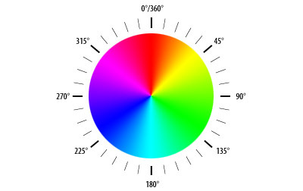
C-Y |  | 120 | 100 | 100 | 3.01 | 23.40 |  | 50 | 0 | 50 | 0 | 127.5 | 255 | 127.5 | 3.01 |  |  | #00FF00 |  | #7CC192 | #80FF80
Three Color Blends
R-G-B |  |  |  |  |  |  |  |  |  |  |  |  |  |  |  |  |  |  |  |  |  |  | 20 Misturas
R-G-C
R-G-M
R-G-Y
R-C-B
R-M-B
R-Y-B
C-G-B
M-G-B
Y-G-B
C-M-Y
C-M-R
C-M-G
C-M-B
C-R-Y |  |  |  |  |  |  |  |  |  |  |  |  |  |  |  |  |  |  |  |  |  |  |  | HSV - Hue Circle
C-G-Y
C-B-Y
R-M-Y
G-M-Y
B-M-Y

